records
Sample Measurement Record
Mano Engineering LLC |  |  |  |  |  |  |  | Part No. V1607840104
No. | A | B | C | D | E | F | G
1 | 11.75 | 19 | 7.7 | 1.23 | 10.26 | 3.89 | 2.04
2 | 11.78 | 19 | 7.7 | 1.35 | 10.23 | 3.59 | 2.14
3 | 11.72 | 18.99 | 7.72 | 1.19 | 10.22 | 4 | 2.13
4 | 11.9 | 19.03 | 7.65 | 1.46 | 10.29 | 3.71 | 2.14
5 | 11.78 | 18.99 | 7.71 | 1.17 | 10.24 | 3.82 | 2.08

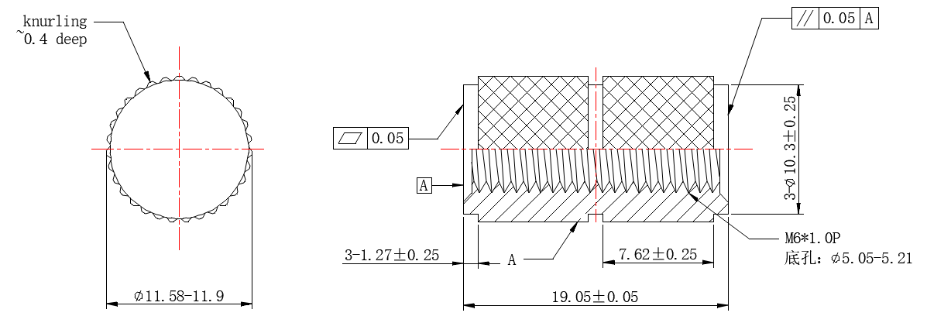

E

A
D
C
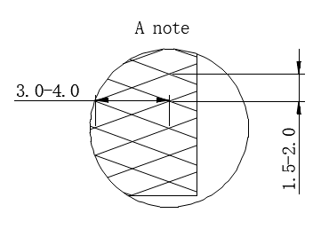
B
F

G

